Covers
DELIVERY COVERS
Ref |  | RENAULT
77 11 428 236 | COVER A | Zoé - Clio IV - Captur (J87) - Twingo III - Sandero 2 (B52)
77 11 428 237 | COVER B | Clio IV Estate - Mégane IV (BFB) - Logan MCV 2 (K52) - Duster
77 11 428 238 | COVER C | Thalia/Symbol (L35) - Kadjar (HFE) - Scenic IV (JFA) - Logan (L52) - Symbol (L46)
77 11 428 239 | COVER D | Nouveau Kangoo - Espace 5 (JFC) - Talisman berline & break (LFD, KFD) - Grand Scenic IV (RFA) - Dokker (KF67) - Lodgy (J92) - Koleos (HZG)
77 11 428 240 | COVER E | Mégane Grand Coupé/sedan (LFF) - Mégane Estate IV (KFB)
77 11 429 669 | COVER F | Wind
77 11 429 670 | COVER G | Fluence - Megane III CC
82 01 260 807 | COVER H | Latitude - Fluence ZE
77 11 573 695 | COVER I | Twizy
77 11 785 076 |  | Alaskan

 |  | RENAULT INITIALE PARIS
77 11 579 534 | COVER L | Clio IV - Captur | 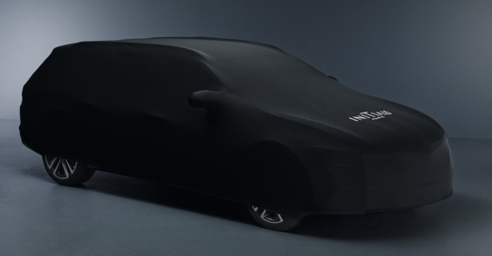
77 11 579 535 | COVER M | Espace 5 (JFC)
77 11 780 553 |  | Talisman Break & Berline (KFD & LFD) - Scenic 4 (JFA) - Grand Scenic 4 (RFA) Initiale Paris
77 11 78 50 75 |  | Koleos (HZG)

 |  | DACIA
77 11 429 490 | DACIA COVER A | Duster - Sandero 1 et 2 (B90, B52)
77 11 429 491 | DACIA COVER B | Logan Berline 1 et 2 (L90, L52) - Logan MCV 1 et 2 (K90, K52) - Logan Pick Up (U90)
82 01 149 938 | DACIA COVER C | Lodgy (J92) - Dokker (FK67)

